B-T_Update_12-10
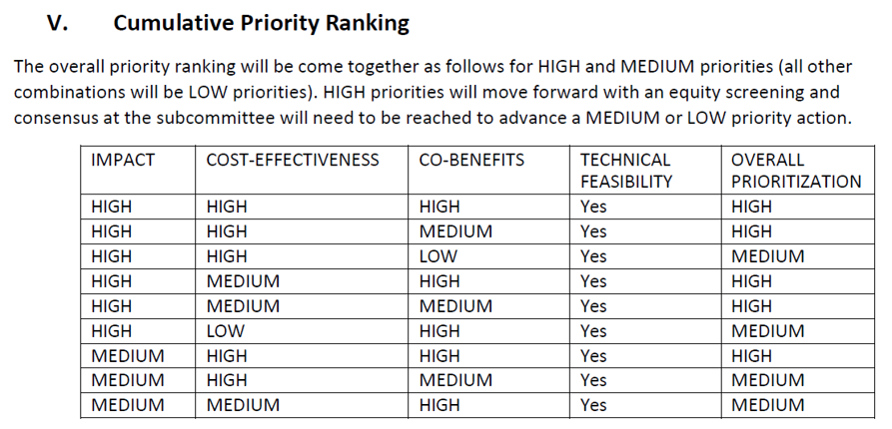
 | Task Group Priority Recommendation
Revised Language 12-10-2024 | Notes | Technical Feasability (Y/N) | Impact (High/Moderate/Low) | Cost Effectiveness (High/Medium/Low) | Co-Benefits (High/Medium/Low) | Average + Priority According to VCC guidance
Pathway 1: Reduce greenhouse gas emissions from the Residential, Commercial, and Industrial (RCI) fuels sector via an overarching market-based policy framework.
Strategy 1.1: Adopt at least one market-based mechanism to reduce thermal sector greenhouse gas emissions, recognizing that, regardless of the specific market-based approach, complementary policies will also be necessary to meet GWSA emissions reduction requirements
Action 1.1.1: Through legislation or administrative action, adopt a modified Clean Heat Standard, designed for gradual implementation,* and containing a cost cap provision with a starting price.** *Gradual implementation implies that the mechanism would get as close as possible to GWSA targets and that complementary policies will necessarily need to carry a larger proportion of RCI emissions reductions to meet GWSA targets. ** DDA payment or cap articulated explicitly
Action 1.1.2: Through legislation or administrative action, join a cap-and-invest program, either New York Cap and Invest (NYCI) or Western Climate Initiative covering (but not necessarily limited to) Vermont’s RCI fuels sector

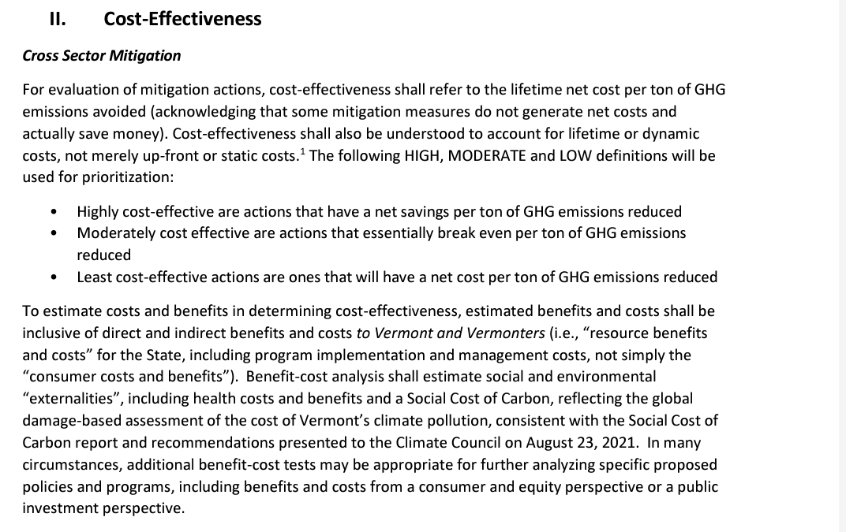
Pathway 2: Reduce greenhouse gas emissions associated with buildings and facilities through cost-effective and affordable weatherization and energy efficiency improvements, as well as through use and enforcement of energy and electrical standards and codes.
Strategy 2.1: Ramp up implementation of the multi-year Weatherization (WX) at Scale Initiative to meet the scale and pace of residential and commercial weatherization necessary to meet 2030 GWSA requirements
Action 2.1.1: Through legislation or administrative action, ensure X additional homes are comprehensively weatherized by 2030, and secure the funding needed to achieve the target with a priority on low- and moderate-income households. Implementation Lead: Legislature, Public Service Department | Funding from increase in Fuel Gross Receipts or via Thermal Energy Benefits Charge
Action 2.1.2: Through legislation or administrative action, ensure X additional commercial, industrial, municipal, and non-residential buildings are comprehensively weatherized by 2030, and secure the funding needed to achieve the target. Implementation Lead: Legislature, Public Service Department | Funding from increase in Fuel Gross Receipts or via Thermal Energy Benefits Charge
Action 2.1.3: Through legislation or administrative action, secure a sustainable source of funding to be used specifically for eliminating barriers (e.g. required pre-requisite home repairs (including, but not limited to, vermiculite removal, knob-and-tube mitigation, etc.) that prevent or delay weatherization activities from occurring in low- and moderate-income homes. Implementation Lead: Legislature
Action 2.1.4: Through legislation or administration action, secure upfront funding to comprehensively weatherize all municipal buildings and public facilities (including “weatherization ready project needs) with priority for supporting/expanding existing programs (i.e. the Municipal Energy Resilience Program, Municipal Technical Assistance Program, Building Communities, etc.). Implementation Lead: Legislature

 | See Strategy 1.4
Strategy 2.2: Strengthen state-wide building energy standards and fund related education and code enforcement necessary to meet the 2030 and 2050 GWSA requirements
Action 2.2.1: Regularly update the existing statewide residential building energy standard, putting Vermont on the path to to adopting a Zero Energy Ready building energy [code] for new construction by 2030.
Action 2.2.2: Regularly update the existing statewide commercial building energy standard, putting Vermont on the path to adopting a Zero Energy Ready building energy [code] for new construction by 2030.
Action 2.2.3: Develop and fund a state-level Energy Code Circuit Rider initiative that provides code and enforcement assistance and training to municipalities to ensure awareness of and compliance with existing and future building energy standards and/or codes. | EFG is implementing a grant-funded project
Action 2.2.4: Support the Act 47 Building Energy Code Study Committee's recommendations regarding Division of Fire Safety jurisdiction over building energy standards. | Note the DFS officially opposes this recommendation as it is not central to their mission.
Action 2.2.5: Support Act 47 Building Energy Code Study Committee's recommendations regarding the Office of Professional Regulation (OPR) development and oversight of contractor registry and registration.
Action 2.2.6: Establish a role for EEUs to play in supporting energy codes compliance and incentives
Action 2.2.7: In alignment with the Act 47 Building Energy Code Study Committee's recommendations, develop incentivize EEUs to support projects meeting “net zero” level of performance in their residential new construction programs

Strategy 2.3: Expand the use of modern, energy-efficient mobile homes, enabling purchasers of new mobile homes to have quality housing with lower lifetime energy costs than standard mobile homes
Action 2.3.1: In alignment with the Act 47 Mobile Home Task Force recommendations continue and increase funding for existing programs that replace aged mobile homes or fill vacant mobile home park lots with new energy efficient models

Strategy 2.4: Increase and standardize the efficiency of rental properties in Vermont by incentivizing landlords to make improvements to their property.
Action 2.4.1: Direct the Commissioner of Public Safety through legislation to adopt efficiency standards for rental properties of 10 units or more consistent with at least the 2015 International Energy Conservation Code (IECC) with amendments.

Pathway 3: Reduce greenhouse gas emissions by requiring new thermal equipment to meet emissions-based equipment standards (with appropriate exemptions).
Strategy 3.1: TBD
Action 3.1.1: TBD
Strategy 3.2: TBD
Action 3.2.1: TBD
Strategy 3.3: Adopt a regulatory and/or performance-based approach that results in the use of lower global warming potential (GWP) refrigerants in heat pumps sold in Vermont.
Action 3.3.1: TBD

PATHWAY 4: Reduce greenhouse gases by ensuring beneficial electrification of building space and water heating, with a focus on ensuring equitable access to cost-effective, and affordable electrification by low- and moderate-income households.
Strategy 4.1: Encourage equitable adoption of electric heat pumps as replacements for fossil fuel heating and ensure access to beneficial electrification regardless of household income.
Action 4.1.1: Develop a long-term sustainable source (or sources) of funding to enable expanded outreach, consumer funding, and financing for the beneficial electrification of low- and moderate-income households
Action 4.1.2: Through administrative action, ensure consumer protections are in place to ensure low- and moderate-income households are held harmless from increased electrification of space and water heating.
Strategy 4.2: Institute regulatory or performance-based approaches to transition the water heater market in Vermont and ensure that water heaters models are able to be managed by electric utilities
Action 4.2.1: ANR shall adopt an appliance performance standard requiring new electric water heaters for sale in Vermont (as of July 1, 2027) to be manufactured with a modular demand response communications port. or pursuant to an open communications standard ensuring that the water heater is capable of load management. | Needs neighboring states provision
Strategy 4.3: Encourage integration of electric water heaters into Vermont’s electric system and the timely adoption of utility programs to ensure that electric water heating loads are directly managed or controlled through time-differentiated price signals.
Action 4.3.1: Adopt legislation consistent with the provisions of Section 33 (Plug In Vehicle Electric Distribution Utility Rate Design) in Act 55 (2021) directing all Vermont distribution utilities to adopt propose demand response programs for electric water heaters, and to file electric water heating demand response tariffs

PATHWAY 5: Reduce greenhouse gas emissions by reducing the greenhouse gas intensity of fuels used for thermal Residential, Commercial, and Industrial (RCI) purposes.
Strategy 5.1: Develop a market-based approach to reduce the greenhouse gas intensity of thermal fuels (e.g. a rate-based low carbon or clean fuels standard)
Action 5.1.1: Adopt a performance based Clean Fuels Standard that implements a declining carbon intensity (CI) score eligibility requirement for residential, commercial, and industrial (RCI) fuels. Alternate: Institute a minimum percentage clean fuel blending requirement for all residential, commercial, and industrial liquid and gaseous fuels

